KPI Ques
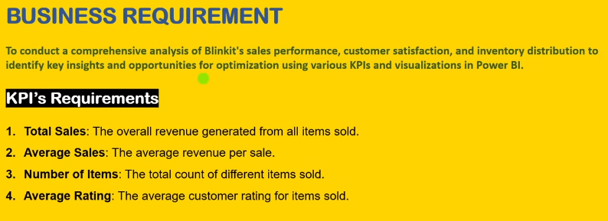

Business requirement
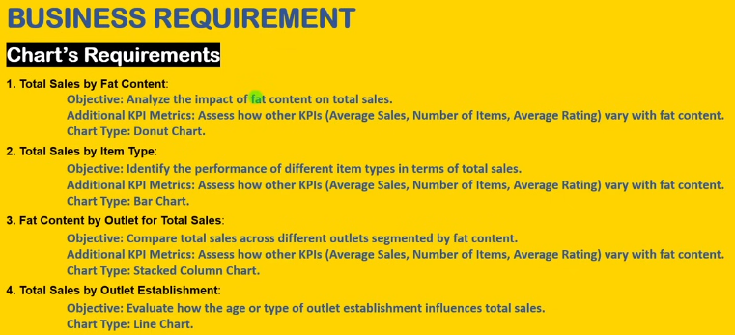

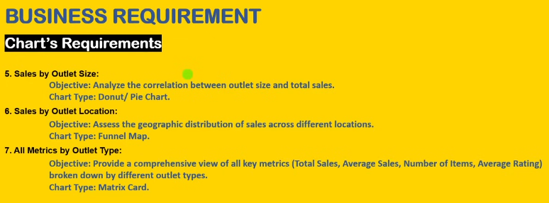

KPIs & Business requirements
KPI Requirements
Total Sales | Avg sales | No. of items | Avg rating
1201681.49 | 140.99 | 8523 | 3.97

Total Sales | Avg sales | No. of items | Avg rating
$1.20M | $141 | 8523 | 4.0

Total sales by fat content
Business Requirement
Total Sales By Fat Content
Row Labels | Total Sales
Low Fat | 776319.69
Regular | 425361.80
Grand Total | 1201681.4928

Total Sales of Fat Content by Outlet
Total Sales | Column Labels
Row Labels | Regular | Low Fat
Tier 1 | $110.0K | $201.8K
Tier 2 | $123.3K | $238.0K
Tier 3 | $148.9K | $288.9K

Total Sales by Item Type
Row Labels | Total Sales
Seafood | $9.1K
Breakfast | $15.6K
Starchy Foods | $21.9K
Others | $22.5K
Hard Drinks | $29.3K
Breads | $35.4K
Soft Drinks | $58.5K
Meat | $59.4K
Health and Hygiene | $68.0K
Baking Goods | $81.9K
Dairy | $101.3K
Frozen Foods | $118.6K
Household | $136.0K
Snack Foods | $175.4K
Fruits and Vegetables | $178.1K

Total Sales by Outlet Establishment
Row Labels | Total Sales
2011 | $73.6K
2012 | $121.5K
2014 | $123.0K
2015 | $120.0K
2016 | $122.1K
2017 | $121.8K
2018 | $188.9K
2020 | $119.6K
2022 | $120.6K

Sales By Outlet Size
Row Labels | Total Sales
High | 229631.2064
Medium | 469486.9212
Small | 411856.6362

Total Sales by Outlet Location
Row Labels | Total Sales |  | Outlet Location | Total Sales
Tier 3 | $437.8K |  | Tier 3 | $437.8K
Tier 2 | $361.3K |  | Tier 2 | $361.3K
Tier 1 | $311.8K |  | Tier 1 | $311.8K

All Metrics by Outlet Type
Row Labels | Total Sales
Grocery Store | $141.9K
Supermarket Type1 | $727.9K
Supermarket Type2 | $120.6K
Supermarket Type3 | $120.6K
Grand Total | 1110974.7638

Row Labels | Avg Sales
Grocery Store | $141.9K
Supermarket Type1 | $727.9K
Supermarket Type2 | $120.6K
Supermarket Type3 | $120.6K
Grand Total | 1110974.7638

Row Labels | Count of Item Identifier
Grocery Store | 1010
Supermarket Type1 | 5151
Supermarket Type2 | 850
Supermarket Type3 | 863
Grand Total | 7874

Row Labels | Avg Rating
Grocery Store | 3.99
Supermarket Type1 | 3.96
Supermarket Type2 | 3.97
Supermarket Type3 | 3.95
Grand Total | 3.963512827

Dashboard
Blinkit
$141
$1.20M
TOTAL SALES
8523
AVG SALES
NO. OF ITEMS
AVG RATING
4.0
OUTLET ESTABLISHMENT
 | Total
2011 | $73.6K
2012 | $121.5K
2014 | $123.0K
2015 | $120.0K
2016 | $122.1K
2017 | $121.8K
2018 | $188.9K
2020 | $119.6K
2022 | $120.6K
India's Last Minute App
FILTERPANEL

SALES BY FAT CONTENT
 | Total
Seafood | $9.1K
Breakfast | $15.6K
Starchy Foods | $21.9K
Others | $22.5K
Hard Drinks | $29.3K
Breads | $35.4K
Soft Drinks | $58.5K
Meat | $59.4K
Health and Hygiene | $68.0K
Baking Goods | $81.9K
Dairy | $101.3K
Frozen Foods | $118.6K
Household | $136.0K
Snack Foods | $175.4K
Fruits and Vegetables | $178.1K
ITEM TYPE
OUTLET SIZE
OUTLET LOCATION
 | Total
Low Fat | 776319.69
Regular | 425361.80
 | Total
High | 229631.2064
Medium | 469486.9212
Small | 411856.6362

FAT BY OUTLET
 | Regular | Low Fat
Tier 1 | $110.0K | $201.8K
Tier 2 | $123.3K | $238.0K
Tier 3 | $148.9K | $288.9K
OUTLET TYPE
 | Total
Grocery Store | $141.9K
Supermarket Type1 | $727.9K
Supermarket Type2 | $120.6K
Supermarket Type3 | $120.6K
 | Total
Grocery Store | $141.9K
Supermarket Type1 | $727.9K
Supermarket Type2 | $120.6K
Supermarket Type3 | $120.6K
 | Total
Grocery Store | 1010
Supermarket Type1 | 5151
Supermarket Type2 | 850
Supermarket Type3 | 863

TOTAL SALES
AVG SALES
NO. OF ITEMS

